Sheet1
 |  | Document No. |  | Issue No. |  | Issue Date |  |  | Review and Replace Date |  |  | Authorised By
 |  | GFF347MC |  | 3 |  | 15.12.2021 |  |  | 24.01.2023 |  |  | Magda Shah
 |  | Document Title | Makhani Chicken & Brown Rice 400g
Document amendments reason for change |  | Document reviewed & updated |  |  | Page 1 of 1 |  | Previous Issue Date |  |  | 30.04.2022 |  | Uncontrolled copy unless signed original
FCBUR-R8TMC | MINDFUL CHEF |  |  | Makhani Chicken & Brown Rice 400g | FROZEN
STEP 1 |  |  |  | STEP 2 |  |  |  |  |  |  | STEP 3
 |  |  |  | 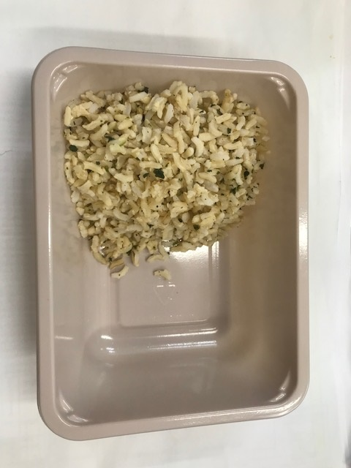 |  |  |  |  |  |  | 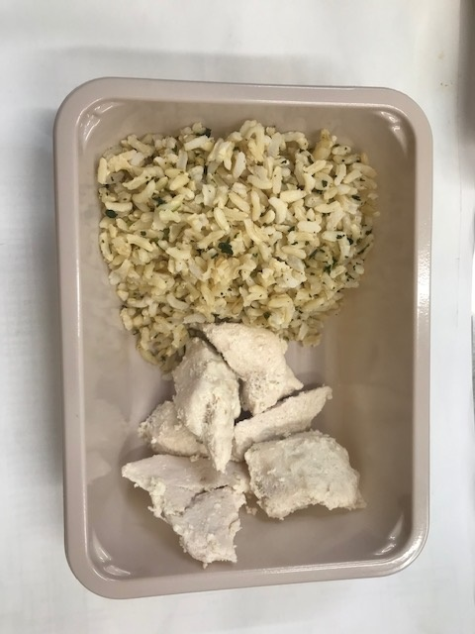

PACK DAY + 1 YEAR
NON-MAP PACK

Tray: EVOLVE CPET 2171-1F FROST (PKRHP001-14) |  |  |  | Brown Rice (GFF255R): 100g |  |  |  |  |  |  | Mindful Chef Cooked Chicken (GFF357R): 70g
Film:K Peel 3G 25µm (275mmX1000lm)-PKKMP001-04
STEP 4 |  |  |  |  |  |  |  | STEP 5
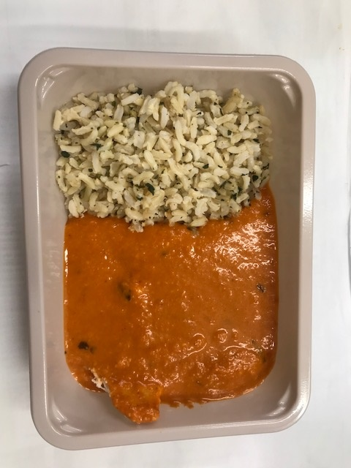 |  |  |  |  |  |  |  | 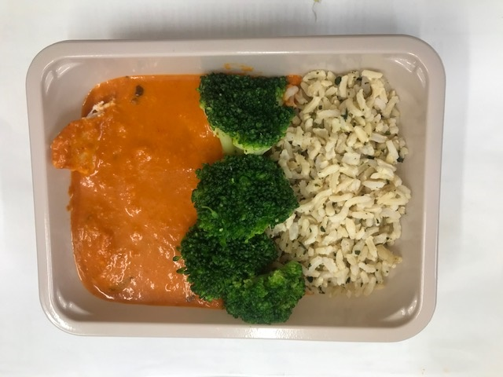

Makhani Sauce (MC) (GFF410R): 190g |  |  |  |  |  |  |  | Steamed Broccoli (MC) (GFF291R): 40g |  |  |  |  | TOTAL WEIGHT: 400g

ALLERGY ALERT: Nuts

